02_Bolsa De Cafe
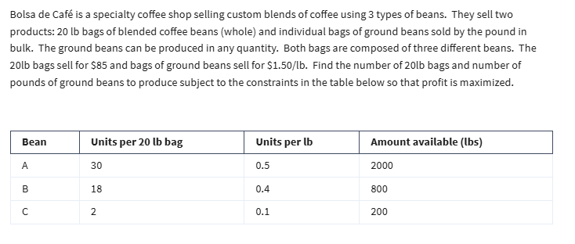
Mixed Integer Programming |  |  |  |  |  | Integer Programming
Bolsa De Café

Variables | No of 20lb bags | lbs of grinded beads
 | 44 | 20
 | 85 | 1.5

Objective (max)
Profit | 3770

Constraints |  |  | LHS | Sign | RHS
A | 30 | 0.5 | 1330 | <= | 2000
B | 18 | 0.4 | 800 | <= | 800
C | 2 | 0.1 | 90 | <= | 200

No of 20lb bags must be an integer

03_Binary Investment Decision
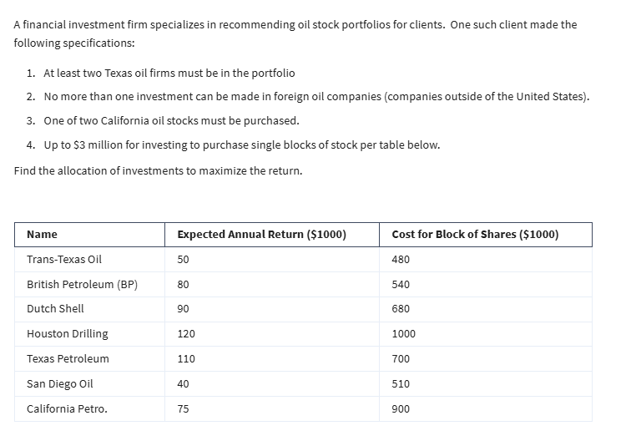
Binary Integer Programming
Investment Decision

Variables | X1 | X2 | X3 | X4 | X5 | X6 | X7
(0, 1) | 0 | 0 | 1 | 1 | 1 | 1 | 0
 | 50 | 80 | 90 | 120 | 110 | 40 | 75

Objective: max
Return | 360 | (000s)

Constraints |  |  |  |  |  |  |  | LHS | Sign | RHS
at least 2 TX | 1 |  |  | 1 | 1 |  |  | 2 | >= | 2
no more 1 foreign |  | 1 | 1 |  |  |  |  | 1 | <= | 1
CA |  |  |  |  |  | 1 | 1 | 1 | = | 1
Budget | 480 | 540 | 680 | 1000 | 700 | 510 | 900 | 2890 | <= | 3000

Variables should be binary

04_Portfolio Variance
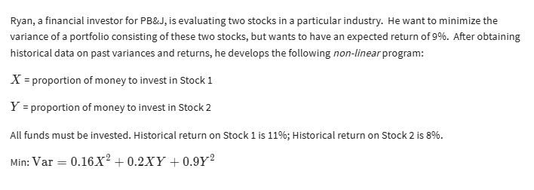
Nonlinear Programming
Portfolio Variance

Variables | X | Y
 | 0.93023256655 | 0.069767447328

Non-linear Vars
 | X^2 | XY | Y^2
Formulas | 0.86533262787 | 0.06489995159 | 0.0048674967067
 | =B5*B5 | =B5*C5 | =C5*C5
 | 0.16 | 0.2 | 0.9

Objective (min):
Variance | 0.15581395781

Constraint |  |  | LHS | Sign | RHS
all funds invested | 1 | 1 | 100% | = | 100%
exp return of 9% | 11% | 8% | 11% | >= | 9%

